Main
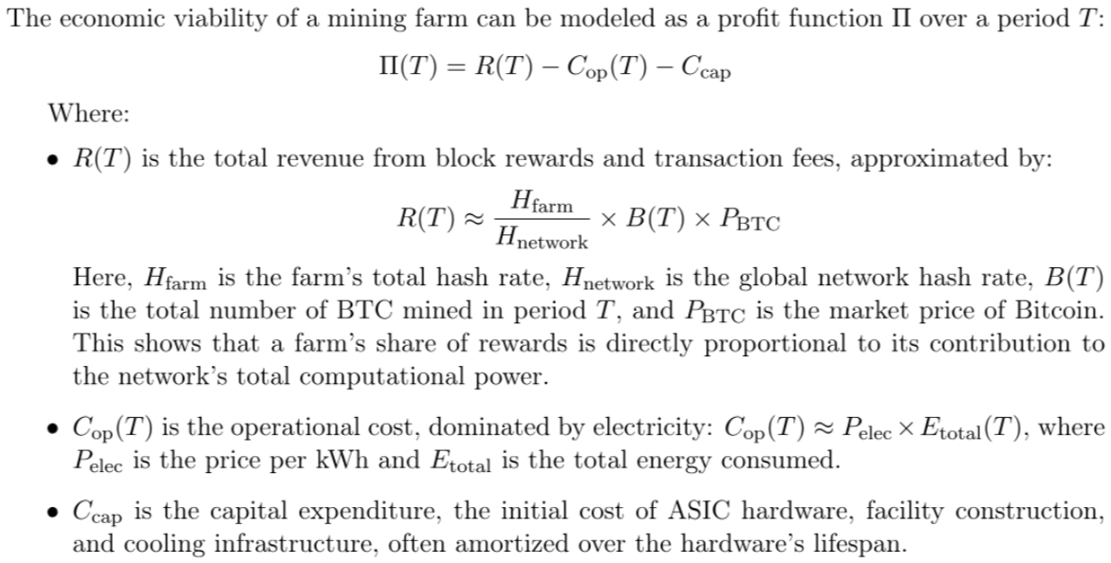
 |  |  |  |  |  |  |  |  | EBITDA |  |  | Annualized Revenue |  |  | P/S |  | EV/EBITDA
Last Updated | Company | Ticker | Price | S/O | MC | Cash | Debt | EV | 2025 | 2026 | Last Q Rev. | 2025 | 2026 | YoY Growth | 2025 | 2026 | 2025 | 2026 | AI Data Center Facilities | Leased AI DC Capacity | Available AI DC Capacity | Total Leased + Available | Incremental Capacity Under Load Study | Total Leased + Available + Under Load Study Capacity | Gross Margin | Tax Margin | Net Margin | Total Assets | PP&A | QoQ Total Assets | QoQ PP&A | Current Ratio | Debt-to- Equity | Fixed Asset Ratio | Quorter CapEx | Trl CapEx | FCF | Trl FCF
Q425 | Galaxy Digital Inc. | GLXY | 19.94 | 159.2 | 3,174.5 | 1,955.3 | 5,330.9 | 6,550.1 | 538.1 | 186.0 | 29,218.9 | 64,650.0 | 60,020.0 | 40.22% | 0.05 | 0.05 | 12.17 | 35.22 | 1 | 800 | 800 | 1,600 | 1,900 | 3,500 | 1.92% | 10.84% | -0.39% | 11,522.7 | 874.1 | 26.82% | 46.62% | 1.35 | 2.63 | 0.10 | 74.8 | 660.4 | 189.6 | -412.7
Q225 | Core Scientific, Inc. | CORZ | 18.93 | 305.4 | 5,781.4 | 581.3 | 1,057.7 | 6,257.7 | 22.9 | 349.0 | 78.6 | 432.0 | 887.0 | -61.58% | 13.38 | 6.52 | 273.02 | 17.93 | 7 | 800 | 120 | 920 | 280 | 1,200 | 8.37% | -0.10% | -225.17% | 1,978.1 | 828.6 | 21.70% | 27.42% | 1.79 | -2.86 | 0.44 | 121.3 | 269.6 | -85.6 | -255.0
Q225 | TeraWulf Inc. | WULF | 14.16 | 386.9 | 5,478.4 | 90.0 | 488.7 | 5,877.2 | 4.8 | 191.0 | 47.6 | 207.0 | 415.0 | -41.42% | 26.47 | 13.20 | 1,214.29 | 30.77 | 2 | 360 | 138 | 498 | 652 | 1,150 | 43.14% | 0.00% | -97.27% | 869.4 | 604.8 | 3.36% | 18.61% | 0.66 | 3.99 | 0.88 | 119.9 | 388.0 | -174.8 | -450.0
Q225 | Riot Platforms Inc. | RIOT | 21.94 | 369.6 | 8,109.5 | 395.7 | 838.4 | 8,552.1 | 83.2 | 251.0 | 153.0 | 672.0 | 824.0 | -16.54% | 12.07 | 9.84 | 102.75 | 34.07 | 3 | 0 | 1,160 | 1,160 | 650 | 1,810 | 40.64% | -0.99% | -24.47% | 4,288.3 | 1,301.7 | 15.32% | -0.41% | 1.39 | 0.30 | 0.34 | 60.4 | 222.7 | -291.6 | -730.7
Q225 | Bitdeer Technologies Group | BTDR | 19.86 | 194.0 | 3,852.2 | 482.1 | 533.1 | 3,903.2 | 14.0 | 391.0 | 155.6 | 559.0 | 1,006.0 | -35.47% | 6.89 | 3.83 | 278.21 | 9.98 | 11 | 0 | 1,257 | 1,257 | 1,433 | 2,690 | 4.25% | 1.07% | 115.96% | 2,041.1 | 571.8 | 27.69% | 41.61% | 0.83 | 1.89 | 0.54 | 106.5 | 223.9 | -441.4 | -1,258.5
Q325 | IREN Ltd. | IREN | 42.67 | 298.0 | 12,716.8 | 167.4 | 3,685.3 | 16,234.7 | 959.6 | 1,072.0 | 240.3 | 688.6 | 1,875.0 | 167.65% | 18.47 | 6.78 | 16.92 | 15.14 | 8 | 50 | 760 | 810 | 3,100 | 3,910 | 68.27% | 7.02% | 17.35% | 4,267.4 | 2,115.4 | 45.13% | 9.58% | 4.97 | 0.48 | 0.50 | 180.3 | 647.9 | -38.0 | -255.8
Q225 | Hut 8 Corp. | HUT | 47.59 | 104.2 | 4,961.1 | 222.4 | 316.1 | 5,054.8 | 30.7 | 164.0 | 41.3 | 206.0 | 373.0 | -61.13% | 24.08 | 13.30 | 164.38 | 30.82 | 15 | 0 | 1,020 | 1,020 |  | 1,020 | 35.93% | -69.94% | 5.02% | 2,021.4 | 381.7 | 28.60% | 8.09% | 1.81 | 0.46 | 0.19 | 45.4 | 255.3 | -94.2 | -363.8
Q325 | Cipher Mining Inc. | CIFR | 20.31 | 393.2 | 7,985.7 | 1,377.7 | 1,023.1 | 7,631.1 | 126.4 | 266.0 | 71.7 | 252.0 | 418.0 | 8.57% | 31.69 | 19.10 | 60.37 | 28.69 | 9 | 0 | 327 | 327 | 2,270 | 2,597 | 65% | -1% | -54% | 2,840.9 | 649.9 | 178.86% | 37.14% | 2.49 | 2.63 | 0.45 | 206.2 | 309.2 | -242.5 | -491.6
Q225 | CleanSpark Inc. | CLSK | 19.75 | 281.0 | 5,549.7 | 34.6 | 820.3 | 6,335.5 |  |  |  |  |  |  | #DIV/0! | #DIV/0! | #DIV/0! | #DIV/0! |  |  |  | 0 |  | 0
Q225 | Applied Digital Corporation | APLD | 33.35 | 279.7 | 9,327.5 | 73.9 | 687.3 | 10,004.7 | 11.4 | 43.3 | 64.2 | 144.2 | 294.0 | 5.54% | 64.69 | 31.73 | 881.47 | 231.22 | 2 | 400 | 300 | 700 | 4,000 | 4,700 | 29.64% | -0.06% | -160.11% | 2,399.0 | 1,461.8 | 28.28% | 14.57% | 0.65 | 1.17 | 0.73 | 249.4 | 487.0 | -331.4 | -997.8
 | HIVE Digital Technologies Ltd. | HIVE |  |  | 0.0 | 0.0 |  | 0.0 |  |  |  |  |  |  | #DIV/0! | #DIV/0! | #DIV/0! | #DIV/0! |  |  |  | 0 |  | 0
 | Bit Digital, Inc. | BTBT |  |  | 0.0 |  |  | 0.0 |  |  |  |  |  |  | #DIV/0! | #DIV/0! | #DIV/0! | #DIV/0! |  |  |  | 0 |  | 0
 | Soluna Holdings, Inc. | SLNH |  |  | 0.0 |  |  | 0.0 |  |  |  |  |  |  | #DIV/0! | #DIV/0! | #DIV/0! | #DIV/0! |  |  |  | 0 |  | 0
 | Bitfarms Ltd. | BITF |  |  | 0.0 |  |  | 0.0 |  |  |  |  |  |  | #DIV/0! | #DIV/0! | #DIV/0! | #DIV/0! |  |  |  | 0 |  | 0
 | Vertiv Holdings Co | VRT
 |  | VST

